Sheet1
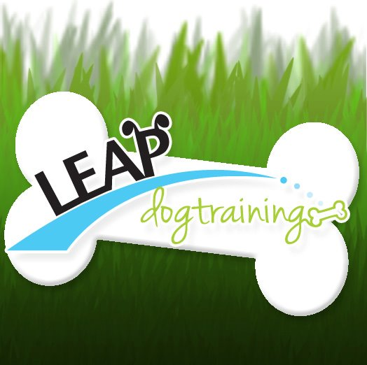

 |  |  |  | PASS: |  | YES | NO

 |  |  | OBEDIENCE
 |  |  |  |  | EVALUATION

LEAP DOG TRAINING |  |  |  | DOG:
SAN DIEGO & CHULA VISTA |  |  |  | DATE:
305-761-2057 |  |  |  | AGE
LEAPDOGTRAINING@GMAIL.COM |  |  |  | HANDLER:
LEAPDOGTRAINING.COM |  |  |  | EVALUATOR:

 |  | EVALUATOR COMMENTS:

 | # | SKILL | YES | NO |  | COMMENT
 | 1 | ACCEPT FRIENDLY STRANGER
 | 2 | SITTING POLITELY FOR PETTING
 | 3 | GROOMING (SHAKING)
 | 4 | LOOSE LEASH WALKING
 | 5 | SIT STAY
 | 6 | DOWN STAY
 | 7 | REACTION TO ANOTHER DOG. (LEAVE IT)
 | 8 | REACTION TO DISTRACTIONS.
 | 9 | COME (RECALL)
 | 10 | ANXIETY

